Used car CoR
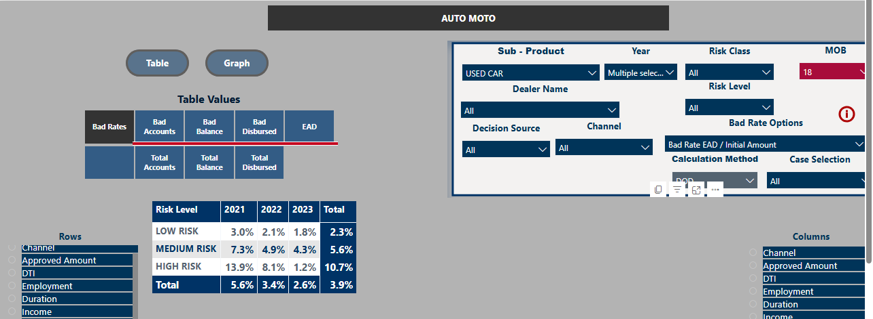
Scenario A: Eurobank does not develop repossession capabilities
Initiative: |  | (1) No initiative | (2) Introduction of AA models | (3) Evolve Bank's risk appetite | Owner
Metrics | Applications disbursed, % | 37% | 45% | 58% | Credit policy
 | Applications Approved & Cancelled, % | 5% | 7% | 7% | Credit policy | not necessary
 | Applications Counteroffer & Cancelled, % | 25% | 18% | 15% | Credit policy
 | Applications Rejected, % | 33% | 30% | 20% | Credit policy
 | Bad rates, % | 2.6% | 3.1% | 4.8% | Credit policy
 | Cost of Risk, % | 1.60% | 1.9% | 3.0% | Credit policy | 61.5%
 | RAR, €M | 4 | 8 |  | Business | LGL
 | Financing disbursements, €M |  |  |  | Business

Scenario B: Eurobank develops repossession capabilities
Initiative: |  | (1) No initiative | (2) Introduction of AA models | (3) Evolve Bank's risk appetite | Owner
Metrics | Applications disbursed, % | 37% | 45% | 58% | Credit policy
 | Applications Approved & Cancelled, % | 5% | 7% | 7% | Credit policy
 | Applications Counteroffer & Cancelled, % | 25% | 18% | 15% | Credit policy
 | Applications Rejected, % | 33% | 30% | 20% | Credit policy
 | Bad rates, % | 2.6% | 3.1% | 4.8% | Credit policy
 | Cost of Risk, % | 0.8% | 1.0% | 1.56% | Credit policy | NEW ESTIMATED LGL based on RV 34% as calculated in total from excel "Repossesion Business Case"
 | Car residual value, % | 29% | 29% | 29% | Business
 | RAR, €M |  |  |  | Business | 32.4%
 | Financing disbursements, €M |  |  |  | Business

